F&V INTRO
FRUITS AND VEGETABLES

VEGETABLES
FRUITS

POT
GREEN VEGETABLES
LEAVES
EXOTIC VEGETABLES
Fresh Amla | Grape Fruit | Mango Pairi
Apple Fuji | Green Grapes | Mango Rajapuri
Apple Green | Guava | Mango Totapuri
Apple Indian | Imported Oranges | Muskmelon | Potato | Arbi | Coconut | Pointed Gourd | Amaranthus Green | Alfalfa Sprouts | Mix Capsicum
Apple Queen | Imported Pear | Papaya | Onion | Ash Gourd | Cucumber Green | Pumpkin Yellow | Amaranthus Red | Asparagus | Mushroom (Button)
Apple Royal Gala | Indian Oranges | Peach | Tomato | Baby Potato | Cucumber White | Raw Mango | Bathua | Avocado | Mushroom Oyester
Apple Washington | Indian Pear | Pineapple |  | Beans Cluster | Double Beans | Red Pumpkin | Chuka | Baby Corn | Oregano
Banana Elaichi | Jamun | Plum Imported |  | Beans Cowpea | Drumsticks | Ridge Gourd | Coriander Leaves | Basil | Pak choi
Banana Robusta | Kiwi | Plum Indian |  | Beetroot | Flat Beans (Val Papdi) | Salgam | Curry Leaves | Broccoli | Parsley
Ber Apple | Litchi | Pomegranate |  | Bitter Gourd/Karela | French beans | Sambhar Onion | Dill Leaves | Brussels Sprouts | Red Cabbage
Black Grapes | Mango Alphonso | Sapota |  | Black Rajma | Garlic Peeled | Snake Gourd | Kardai | Capsicum Red | Red Radish
Cherry fruit | Mango Badam | Strawberry |  | Bottle Gourd | Garlic UnPeeled | Sponge Gourd | Lemongrass | Capsicum Yellow | Rosemary
Custard Apple | Mango Dasheri | Sweet Lime |  | Brinjal Bharta | Ginger | Suran | Methi | Celery | Thyme
Dates | Mango Kesar | Sweet Tamarind |  | Brinjal Kateri Purple | Green Peas | Sweet Corn Cobs | Mint Leaves | Cherry Tomato Red | Zucchini Green
Dragon Fruit | Mango Lalbag | Watermelon |  | Brinjal Green Round | Green Tomato | Sweet Corn shelled | Palak/Spinach | Cherry Tomato Yellow | Zucchini Yellow
Figs | Mango Langra |  |  | Cabbage | Ivy Gourd/Tendli | Sweet Potatoes | Sarson | Iceberg Lettuce
 |  |  |  | Capsicum Green | Kand | Tender Coconut | Spring Onion
 |  |  |  | Carrot Red | Knol khol | Tinda
 |  |  |  | Carrot Local | Lady Finger | Turmeric
 |  |  |  | Cauliflower | Lemon | Val Ghevda
 |  |  |  | Chilli Dark | Long Capsicum | White Radish
 |  |  |  | Chilli Long | Pavta

F&V OPERATION CYCLE
SKU FORECASTING

REQUIREMENT OF ASSETS AND STAFF TO COMPLETE THE CYCLE
PROCUREMENT
INVENTORY
 | ASSETS |  | STAFF

COLD STORAGE ROOM |  | CATEGORY MANAGER
SORTING TABLES |  | MARKET INTELLIGENCE EXECUTIVE
PACKAGING MATERIAL |  | OPERATION EXECUTIVE
WEIGHING SCALE |  | SEGREGATOR
BARCODE PRINTER |  | LABOURS
DELIVERY
F&V OPERATION CYCLE
PRICING
CONTINUOUS BAND SEALER
VEGETABLE CRATES

SORTING
SEGREGATION

PACKAGING

F&V SKU PACKAGING DETAILS
Product Name; | Category; | Description; | Image;
Zucchini Yellow-1 piece | Exotics | These are yellow in colour, it contains zero fat and is high in water and fiber. It also contains significant amounts of vitamin B6, riboflavin, folate, C, & K and minerals like potassium and manganese. The summer squash also contains antioxidant and anti-inflammatory phytonutrients. Health benefits are improves digestion, slow down aging, lower blood sugar levels, supports healthy circulation and healthy heart, improves eye health, boosts energy, weight loss etc. | 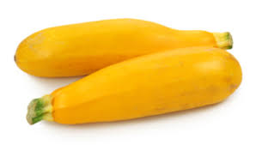
Zucchini Green-1 piece | Exotics | It can be dark or light green. The zucchini originates in Americas. Zucchini contains a variety of vitamins, minerals and beneficial plant compounds. Cooked zucchini is particularly high in vitamin A, though raw zucchini contains slightly less. Zucchini are high in antioxidants, contributes to healthy digestion, may reduce blood sugar levels, may improve heart health, may strengthen your vision, may aid weight loss etc. | 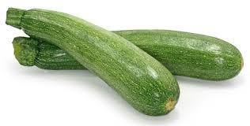
Red Radish-250 gms | Exotics | Red radishes are one of the most commonly used radishes in culinary preparations and can be utilized in both cooked and raw preparations, making them a versatile ingredient in the kitchen. The Red radish is grown mainly for its root; a small, scarlet globe with a crisp and peppery, translucent, white flesh. Red radishes contain vitamin C, folate, fiber and potassium. Like many radishes, Red radishes contain active enzymes that are known to aid in digestion. | 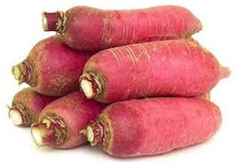
Red Cabbage-1 Piece | Exotics | The red cabbage is a kind of cabbage, also known as purple cabbage. Its leaves are dark red/purple coloured. It is a good source of fiber, vitamins and minerals, especially vitamin A and potassium. Health benefits are boost immunity, help to lose weight, fights inflammation, boosts metabolism, treats ulcers etc. | 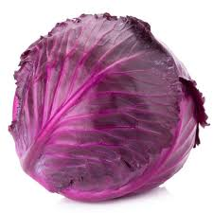
Parsley-100 gms | Exotics | It is widely used as a fresh culinary herb or dried spice. It's bright green in color and has a mild, bitter flavor that pairs well with many recipes. Often labeled as one of the most powerful disease-fighting plants. Health benefits are preventing cancer, protecting against diabetes, improving bone health etc. | 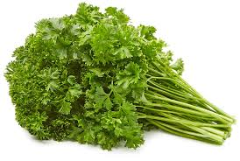
Pak choi-1 Piece | Exotics | Pak choi is a type of Chinese cabbage. Chinensis varieties do not form heads and have green leaf blades with lighter bulbous bottoms instead, forming a cluster reminiscent of mustard greens. These vegetables are a good supply of nutrients and are low in calories. Benefits are protection from cancer, bone health, blood pressure, heart health, inflammation, immunity, skin glow etc | 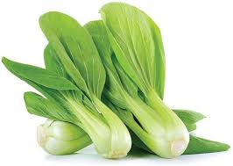
Oregano-50 gms | Exotics | Oregano is considered a staple herb in many cuisines around the world. It has a strong flavor and brings warmth to dishes, along with a hint of subtle sweetness. It can be found fresh, dried or as an oil, and all are said to have significant health benefits. Oregano is high in antioxidants, which can help prevent damage by neutralizing disease-causing free radicals. May help fight bacteria, could have anticancer properties, may help reduce viral infection, could decrease inflammation. | 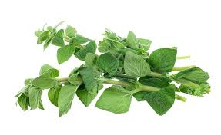
Mushroom Oyester- 200 gms | Exotics | Oyster mushroom is an edible mushroom which was originated from Germany during the World War I. Oyster mushroom are broad and fan or oyster shape. Health benefits are maintain blood sugar level, immunity system, cardiovascular conditions, skin problems, brain health, cures anemia, provides energy, prevents tooth decay, alcoholism etc | 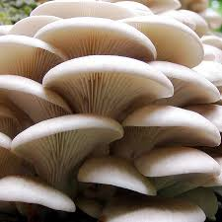
Mushroom (Button)-200 gms | Exotics | Mushrooms are fleshy and edible fruit bodies of several species of macrofungi. A commonly eaten mushroom is a white mushroom having carbohydrates, protein, fat,riboflavin, niacin and pantothenic acid. | 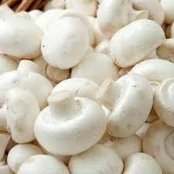
Mix Capsicum- 2 pcs | Exotics | Bell peppers are fruits that belongs to the nightshade family. They are low in calories and exceptionally rich in vitamin C and other antioxidants. Healthy benefits are eye health, Anemia prevention etc | 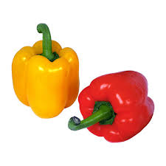
Iceberg Lettuce-1 Piece | Exotics | Iceberg lettuce is one of the main ingredients in salad preparations and is known for its crunchy texture. It has comparatively fewer nutrientsthan other greens you may find in salads. Iceberg lettuce is an excellent source of potassium and manganese. This lettuce is rich in vitamin A, K, C, thiamin, vitamin B6, and folate (vitamin B9). There are many health benefits of iceberg lettuce that include weight loss, prevention of birth defects, and reduced risk of many diseases. | 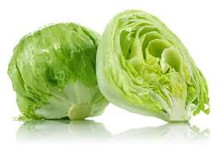
Cherry Tomato Yellow-200 gms | Exotics | Yellow cherry tomatoes are slightly less acidic than red varieties, and therefore they are somewhat milder and sweeter in flavor. Yellow cherry tomatoes are tender-firm and thin-skinned with two seed cavities carrying tiny, edible seeds. Health benefits are antioxidants, very nutritious, cardiovascular health, counter the negative effects of smoking, digestive health, lowers hypertension, manage diabetes, skincare etc | 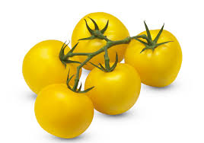
Cherry Tomato Red-200 gms | Exotics | A popular variety of cherry tomatoes is Sweet Million, which bear long clusters of sweet yet tomatoey red fruit. Pearly round or plum-shaped, tangy or sweet, red or gold, cherry tomatoes top off summer salads, sweeten party trays, and treat the kids. Nutrition benefits are Fat free, saturated fat free, cholesterol free, low in sodium, an excellent source of vitamins A and C and a good source of vitamin K and potassium. | 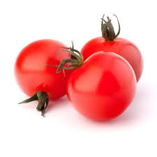
Celery-500 gms | Exotics | Celery is a marshland plant cultivated as a vegetable since antiquity. Celery has a long fibrous stalk tapering into leaves. Depending on location and cultivar, either its stalks, leaves or hypocotyl are eaten and used in cooking. Celery seed is also used as a spice and its extract have been used in herbal medicine. Celery is rich in vitamin K and it also contains folate, vitamin A, potassium, vitamin C and dietary fiber. Health benefits are lowering inflammation, reducing blood pressure, reducing the risk of cancer etc.
Celery-250 gms | Exotics | Celery is a marshland plant cultivated as a vegetable since antiquity. Celery has a long fibrous stalk tapering into leaves. Depending on location and cultivar, either its stalks, leaves or hypocotyl are eaten and used in cooking. Celery seed is also used as a spice and its extract have been used in herbal medicine. Celery is rich in vitamin K and it also contains folate, vitamin A, potassium, vitamin C and dietary fiber. Health benefits are lowering inflammation, reducing blood pressure, reducing the risk of cancer etc.
Capsicum Yellow-500 gms | Exotics | Bell peppers are fruits that belongs to the nightshade family. They are low in calories and exceptionally rich in vitamin C and other antioxidants. Healthy benefits are eye health, Anemia prevention etc | 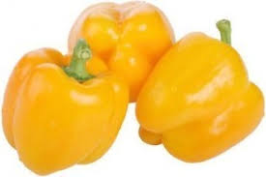
Capsicum Yellow-250 gms | Exotics | Bell peppers are fruits that belongs to the nightshade family. They are low in calories and exceptionally rich in vitamin C and other antioxidants. Healthy benefits are eye health, Anemia prevention etc | 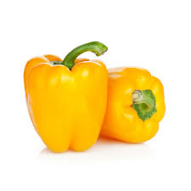
Capsicum Red-500 gms | Exotics | Bell peppers are fruits that belongs to the nightshade family. They are low in calories and exceptionally rich in vitamin C and other antioxidants. Healthy benefits are eye health, Anemia prevention etc | 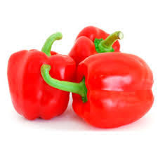
Capsicum Red-250 gms | Exotics | Bell peppers are fruits that belongs to the nightshade family. They are low in calories and exceptionally rich in vitamin C and other antioxidants. Healthy benefits are eye health, Anemia prevention etc | 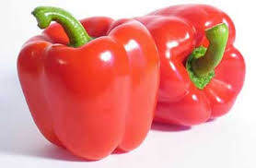
Brussels Sprouts-500 gms | Exotics | These cruciferous vegetables resemble mini cabbages and are typically cut, cleaned and cooked to make a nutritious side dish or main course. Brussels sprouts are low in calories but high in fiber, vitamins and minerals. It is also rich in antioxidants, may help protect against cancer, may help maintain healthy blood sugar level, may reduce inflammation, boost immune system, improve digestion, help in pregnancy, balance hormone levels, heal wounds, improve bone strength, increase metabolism etc | 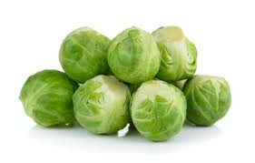
Brussels Sprouts-250 gms | Exotics | These cruciferous vegetables resemble mini cabbages and are typically cut, cleaned and cooked to make a nutritious side dish or main course. Brussels sprouts are low in calories but high in fiber, vitamins and minerals. It is also rich in antioxidants, may help protect against cancer, may help maintain healthy blood sugar level, may reduce inflammation, boost immune system, improve digestion, help in pregnancy, balance hormone levels, heal wounds, improve bone strength, increase metabolism etc
Broccoli-500 gms | Exotics | Broccoli is an edible green plant in the cabbage family. It is known to be hearty and tasty vegetable which is rich in dozens of nutrients. Broccoli is great source of vitamin K & C, folic acid, potassium and fiber. Health benefits are to reduce inflammation in body tissues, protect against cancer, blood sugar control, healthy digestion and reduced constipation, slow mental decline and support healthy brain function, healthy immune system. | 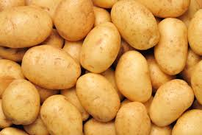 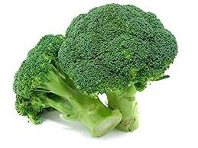
Broccoli-250 gms | Exotics | Broccoli is an edible green plant in the cabbage family. It is known to be hearty and tasty vegetable which is rich in dozens of nutrients. Broccoli is great source of vitamin K & C, folic acid, potassium and fiber. Health benefits are to reduce inflammation in body tissues, protect against cancer, blood sugar control, healthy digestion and reduced constipation, slow mental decline and support healthy brain function, healthy immune system.
Basil-250 gms | Exotics | Basil also called great basil, is a culinary herb of the family Lamiaceae (mints). It is a tender plant, and is used in cuisines worldwide. Basil is rich in vitamin A, vitamin K, vitamin C, magnesium, iron, potassium, and calcium. It's benefits are fighting cancer, reducing the effects of oxidative stress, anti- aging properties, reduce inflammation and swelling, antibacterial properties etc | 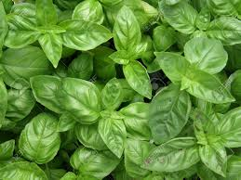
Basil-100 gms | Exotics | Basil also called great basil, is a culinary herb of the family Lamiaceae (mints). It is a tender plant, and is used in cuisines worldwide. Basil is rich in vitamin A, vitamin K, vitamin C, magnesium, iron, potassium, and calcium. It's benefits are fighting cancer, reducing the effects of oxidative stress, anti- aging properties, reduce inflammation and swelling, antibacterial properties etc
Baby Corn-100 gms | Exotics | Baby corn is immature ears and harvesting is done at silk emergence stage. Low in Calorie, rich in fiber, stimulates digestion | 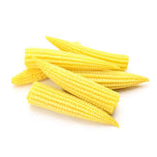
Avocado-1 Piece | Exotics | Avocado is a green, pear-shaped fruit often called an “alligator pear.” It is loaded with healthy fats, fiber and various important nutrients. Avocados are very high in potassium, which should support healthy blood pressure levels. Avocados are high in antioxidants, including lutein and zeaxanthin. These nutrients are very important for eye health and lower your risk of macular degeneration and cataracts. | 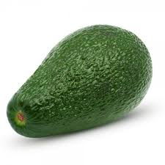
Asparagus-250 gms | Exotics | Asparagus is a versatile spring vegetable that can be cooked and served in a number of ways. But it's also perfect when cooked on its own, with just a little salt and pepper. Asparagus is a good source of folate, vitamin K, and fiber, among other nutrients. It is a good source of antioxidants. It helps to improve digestive health, helps support a healthy pregnancy, lower blood pressure, help to lose weight. | 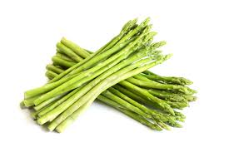
Asparagus-100 gms | Exotics | Asparagus is a versatile spring vegetable that can be cooked and served in a number of ways. But it's also perfect when cooked on its own, with just a little salt and pepper. Asparagus is a good source of folate, vitamin K, and fiber, among other nutrients. It is a good source of antioxidants. It helps to improve digestive health, helps support a healthy pregnancy, lower blood pressure, help to lose weight.
Alfalfa Sprouts-500 gms | Exotics | Alfalfa sprouts are the shoots of the alfalfa plant, harvested before they become the full-grown plant. Because they are so small, the sprouts contain a concentrated amount of certain vitamins and minerals such as calcium, vitamin K, and vitamin C. Health benefits are help to heal from open wounds, can help build strong bones, can help prevent iron deficiency, prefect to fill your stomach and aid in weight loss, can help fight cold sores etc. | 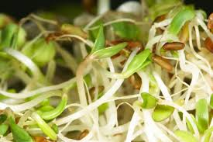
Alfalfa Sprouts-250 gms | Exotics | Alfalfa sprouts are the shoots of the alfalfa plant, harvested before they become the full-grown plant. Because they are so small, the sprouts contain a concentrated amount of certain vitamins and minerals such as calcium, vitamin K, and vitamin C. Health benefits are help to heal from open wounds, can help build strong bones, can help prevent iron deficiency, prefect to fill your stomach and aid in weight loss, can help fight cold sores etc.
Tender Coconut-1 piece | Fruits | Tender coconut is naturally sweet and ingratiating. The water of single coconut contains sufficient vitamin C to meet the daily requirement of body. Coconut water is natural energy drink. It is delicious, refreshing and very nutritious and has tremendous health benefits. Health benefits are may have antioxidant properties, may have benefits against diabetes, may help prevent kidney stones, may support heart health, may reduce blood pressure, delicious source of hydration. | 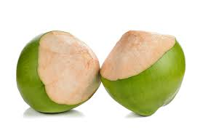
Sweet Tamarind-250 gms | Fruits | Tamarind is a fruit having antioxidant polyphenols and anti-inflammatory properties. They can protect against disease such as heart disease, cancer and diabetes. | 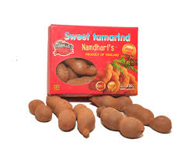
Sweet Lime-pack of 4 | Fruits | Sweet limes are extremely sweet when ripe and without the citric acid. Sweet limes look very similar to regular limes, but sweet limes are more yellowish-green. Limes are sour, round and bright green citrus fruit. Limes are high in vitamin C, antioxidants and other nutrients. Limes may help boost your immunity, reduce heart disease risk factor, prevent kidney stones, aid iron absorption and promote healthy skin. | 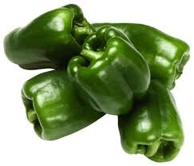 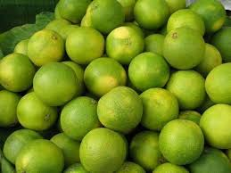
Sweet Lime-pack of 2 | Fruits | Sweet limes are extremely sweet when ripe and without the citric acid. Sweet limes look very similar to regular limes, but sweet limes are more yellowish-green. Limes are sour, round and bright green citrus fruit. Limes are high in vitamin C, antioxidants and other nutrients. Limes may help boost your immunity, reduce heart disease risk factor, prevent kidney stones, aid iron absorption and promote healthy skin.
Strawberry-250 gms | Fruits | The strawberry is widely appreciated for its characteristic aroma, bright red colour, juicy texture and sweetness. Strawberries are a good source of vitamin C, manganese, folate and potassium. They contain small amounts of several other vitamins and minerals. Health benefits are good heart health, blood sugar regulation, cancer prevention, decrease oxidative stress, reduce inflammation, improves vascular function etc. | 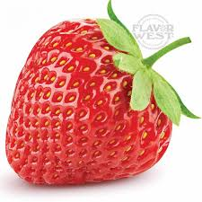
Raw Mango-500 gms | Fruits | Raw mango is a powerhouse of nutrition and very high in Vitamin C too. Mangoes are available in various colours around the world but the green ones are essential for treating digestive problems and losing weight. It helps in weight loss, prevents dehydration, treats stomach disorders, detoxifies the liver, boosts cardiovascular health, good for your teeth, good for skin and hair, prevents macular degeneration, lowers the risk of cancer. | 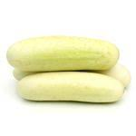 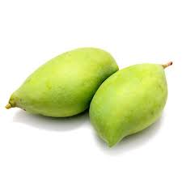
Pomegranate-pack of 4 | Fruits | Pomegranate is loaded with a lot of nutrients. The seeds are red in colour. It contains vitamin C & acting as a antioxidants. It helps to prevent cancer, heart disease and improves digestion, regulate blood pressure, improves memory activity, sexual activity and fertility. | 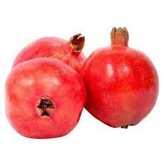
Pomegranate-pack of 2 | Fruits | Pomegranate is loaded with a lot of nutrients. The seeds are red in colour. It contains vitamin C & acting as a antioxidants. It helps to prevent cancer, heart disease and improves digestion, regulate blood pressure, improves memory activity, sexual activity and fertility. | 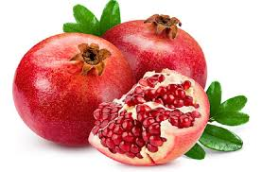
Plum Indian-500 gms | Fruits | This food is very low in Sodium. It is also a good source of Vitamin C, Vitamin K and Potassium, and a very good source of Dietary Fiber and Vitamin A. Plums are also high in antioxidants, which protect the skin from sun damage. Health benefits are treat constipation, aid diabetes treatment, may help prevent cancer, can protect the heart, promote bone health, promote cognitive health, may boost immunity etc | 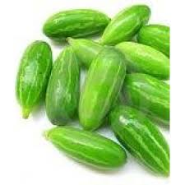 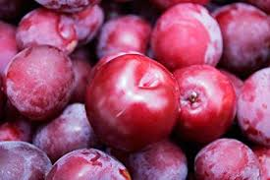
Plum Indian-250 gms | Fruits | This food is very low in Sodium. It is also a good source of Vitamin C, Vitamin K and Potassium, and a very good source of Dietary Fiber and Vitamin A. Plums are also high in antioxidants, which protect the skin from sun damage. Health benefits are treat constipation, aid diabetes treatment, may help prevent cancer, can protect the heart, promote bone health, promote cognitive health, may boost immunity etc
Plum Imported-250 gms | Fruits | Its skin is firm, while the flesh within is juicy and tender. It has a single seed at the center, around which the fruit develops. Plums nutritional facts contain minerals like potassium, fluoride and iron which are required for red blood cell formation. So this makes the heart rate moderate and helps a check on blood pressure. That is why the nutritional benefits of plums provides you a healthy heart. | 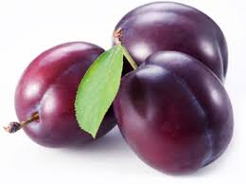
Pineapple-1 piece | Fruits | Pineapple is an incredibly delicious and healthy tropical fruit. This popular fruit is packed with nutrients, antioxidants and other helpful compounds, such as enzymes that can fight inflammation and disease. Pineapple and its compounds have been linked to many health benefits, including aiding digestion, boosting immunity and speeding up recovery from surgery, among others. | 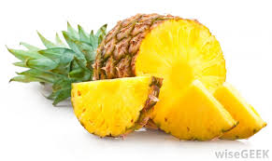
Peach-500 gms | Fruits | A peach is a soft, juicy and fleshy stone fruit produced by a peach tree. Peaches were cultivated in China as far back as 8,000 years ago, with domestication at least 4,000 years ago. Peaches are related to plums, apricots, cherries, and almonds. They’re considered drupes or stone fruit because their flesh surrounds a shell that houses an edible seed. They can be eaten on their own or added to a variety of dishes. What’s more, peaches are nutritious and may offer an array of health benefits, including improved digestion, smoother skin, and allergy relief. | 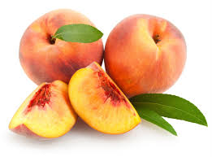
Papaya-1 Piece | Fruits | Papaya is the fruit of the Carica papaya plant. Papaya contains an enzyme called papain, which can break down the tough protein chains found in muscle meat. It is a good source of Vitamin C, folate, vitamin A, magnesium, copper, pantothenic acid, fiber etc. The health benefits of papaya are many and include better digestion, regulated menstruation, stronger immunity, weight loss, improved skin, and better heart health. Papaya, also known as Carica Papaya, pawpaw or papaw is believed to prevent cancer. It’s no wonder that this fruit is quite popular for its high nutritive and medicinal value. | 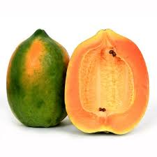
Nagpur Oranges-Pack of 4 | Fruits | Nagpur orange is a variety of orange grown in Nagpur, Maharashtra, India. It is rustic and pockmarked exterior which is sweet and has juicy pulp. The Nagpur oranges blossom during the Monsoon season and are ready to be harvested from the month of December. Benefits are high in vitamin C, healthy immune system, prevents skin damage, keeps blood pressure under check, lowers cholesterol, control blood sugsar levels, lowers the risk of cancer. | 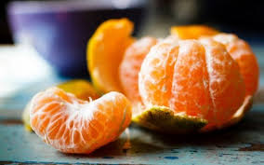
Nagpur Oranges-Pack of 2 | Fruits | Nagpur orange is a variety of orange grown in Nagpur, Maharashtra, India. It is rustic and pockmarked exterior which is sweet and has juicy pulp. The Nagpur oranges blossom during the Monsoon season and are ready to be harvested from the month of December. Benefits are high in vitamin C, healthy immune system, prevents skin damage, keeps blood pressure under check, lowers cholesterol, control blood sugsar levels, lowers the risk of cancer.
Muskmelon-1 Piece | Fruits | Muskmelon or kharbuja is not only an extremely refreshing snack for the summer, but also a great fruit to make your skin soft and glowing. Along with helping the skin to stay hydrated, the fruit is packed with nutrients such as vitamin A, B and C, which help it to stay healthy, young and supple. Here are three ways that you can easily add muskmelons to your beauty regime. | 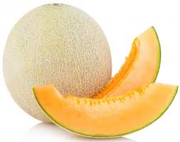
Mango Totapuri-2 pcs | Fruits | Totapuri Mango is the famous mango found primarily in Andhra Pradesh. The Totapuri Mango is also grown in the Indian States of Karnataka and Tamil Nadu.They contain Vitamin B that helps you retain good health. They also help with indigestion and constipation problems. Furthermore, they cleanse the intestine and clear off many other infections. Raw mango contains vitamin A and Vitamin E that enhances one's hormonal system. | 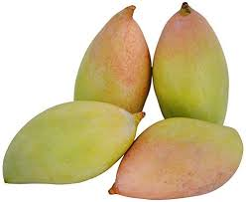
Mango Lalbagh-2 pcs | Fruits | Popularly known as Rajgira in Karnataka, the soft and juicy fleshed fruit has a distinct appearance with shades of green and red. It is also known as 'Honey Mango' because of its exceptional flavour and sweetness. | 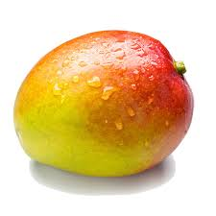
Mango Kesar-2 pcs | Fruits | Kesar Mango is one of the delicious seasonal fruits grown in the tropics. The tree is believed to be having its origins in Indian subcontinent in the state of Gujarat. Fresh mango season lasts from May end to July end. Kesar mango is a rich source of Vitamin A, B6, C and E. It contains beta carotene, alpha carotene and beta cryptoxanthin. Minerals like potassium and copper are also present. | 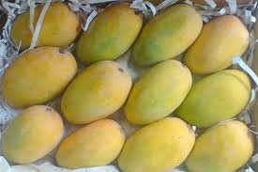
Mango Dasheri-2 pcs | Fruits | It is a sweet and fragrant variety of mango grown in North India and the southern state Andhra Pradesh, Nepal and Pakistan. Malihabad in Uttar Pradesh is the largest producer of the Dasheri mango. Dasheri mangoes are long and oval shaped, with a light green or yellow-green skin when mature, becoming golden yellow when ripe. | 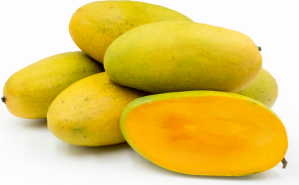
Mango Badami-2 pcs | Fruits | Badami is one of a number of delicious mangoes grown in India. It is slightly earlier than the sort-after Alphonse mango due to its more southerly production but is attractive as a fresh variety. The fruit has pale yellow, thin skin through which it is easy to detect the softness of the flesh. The flesh is an attractive yellow/orange colour, almost totally fibreless. The stone is of medium thickness. Badami mangoes are also known as the Alphonso of Karnataka state. | 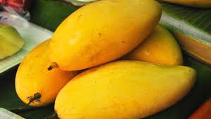
Mango Alphonso-6 pcs | Fruits | The 'Alphonso' mango, also called Hafoos, Hapuz, or Aapoos, is a named mango cultivar that originated in India. Favored for its sweetness, richness and flavor, the Alphonso has been called the king of mangoes. Mangos are high in vitamins, potassium, and folate and also add fiber to your diet. Benefits are prevent cancer, prevent heart disease, help lower cholesterol, may help treat diabetes, promote healthy sex, improve digestion, aid weight loss, help prevent asthma, improve eye health etc
Mango Alphonso-12 pcs | Fruits | The 'Alphonso' mango, also called Hafoos, Hapuz, or Aapoos, is a named mango cultivar that originated in India. Favored for its sweetness, richness and flavor, the Alphonso has been called the king of mangoes. Mangos are high in vitamins, potassium, and folate and also add fiber to your diet. Benefits are prevent cancer, prevent heart disease, help lower cholesterol, may help treat diabetes, promote healthy sex, improve digestion, aid weight loss, help prevent asthma, improve eye health etc
Litchi Fruit-500 gms | Fruits | Litchi is a small fruit with a sweet smell and taste, which is available in the summer. It is a small fruit packed with healthy nutrients. It has rough skin outside while contains juicy flesh inside. Litchi contains good amount of antioxidant Vitamin C, Vitamin B-complex and phytonutrient flavonoids. It contains high amount of antioxidants which is effective to prevent early ageing. Also effective to protect from asthma. Litchi contains high amount of dietary fiber which proves best nutrient that promote cardiovascular health. | 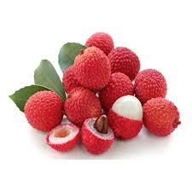
Litchi Fruit-250 gms | Fruits | Litchi is a small fruit with a sweet smell and taste, which is available in the summer. It is a small fruit packed with healthy nutrients. It has rough skin outside while contains juicy flesh inside. Litchi contains good amount of antioxidant Vitamin C, Vitamin B-complex and phytonutrient flavonoids. It contains high amount of antioxidants which is effective to prevent early ageing. Also effective to protect from asthma. Litchi contains high amount of dietary fiber which proves best nutrient that promote cardiovascular health. | 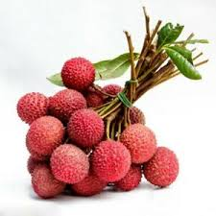
Kiwi-Pack of 2 | Fruits | Mainly originated from New Zealand, oval shaped, has a thin hair like fibrous, sour but edible light brown skin and black edible seed inside. | 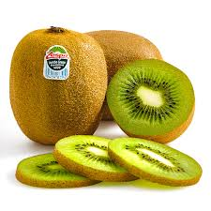
Indian Pear-Pack of 4 | Fruits | Pears are sweet, bell-shaped fruits that have been enjoyed since ancient times. They can be eaten crisp or soft. Pears are especially rich in folate, vitamin C, copper, and potassium. They’re also a good source of polyphenol antioxidants. Health benefits are reduces cholesterol and prevents heart disease, prevents Alzheimer's disease, Diabetes control, boost immune system, improves bone health, weight loss, cures throat problems, prevent cancer etc | 
Indian Pear-Pack of 2 | Fruits | Pears are sweet, bell-shaped fruits that have been enjoyed since ancient times. They can be eaten crisp or soft. Pears are especially rich in folate, vitamin C, copper, and potassium. They’re also a good source of polyphenol antioxidants. Health benefits are reduces cholesterol and prevents heart disease, prevents Alzheimer's disease, Diabetes control, boost immune system, improves bone health, weight loss, cures throat problems, prevent cancer etc
Imported Pear-Pack of 4 | Fruits | Sweet, delicious and rich flavoured pears are packed with health benefiting nutrients such as dietary fiber, antioxydants, minerals and vitamins. Pears may help with weight loss and reduce the risk of developing cancer, hypertension, diabetes, and heart disease. | 
Imported Pear-Pack of 2 | Fruits | Sweet, delicious and rich flavoured pears are packed with health benefiting nutrients such as dietary fiber, antioxydants, minerals and vitamins. Pears may help with weight loss and reduce the risk of developing cancer, hypertension, diabetes, and heart disease. | 
Imported Oranges-Pack of 4 | Fruits | Orange is a citrus fruit which is oval shaped and good source of vitamin C, thiamine , folate and potassium. Healthy benefits are healthy immune system, prevent skin damage, keeps blood pressure under check, lower cholesterol, controls blood sugar level and lower the risk of cancer.
Imported Oranges-Pack of 2 | Fruits | Orange is a citrus fruit which is oval shaped and good source of vitamin C, thiamine , folate and potassium. Healthy benefits are healthy immune system, prevent skin damage, keeps blood pressure under check, lower cholesterol, controls blood sugar level and lower the risk of cancer.
Guava-Pack of 4 | Fruits | Guava is a sweet and delicious fruit cultivated in tropical climates. It is light green, yellow or maroon in color when it ripens. It has white or maroon flesh, depending on its type, and has small hard seeds enveloped in its soft, sweet pulp. Guava is a good source of energy, dietary fiber, vitamins, and minerals. The guava fruit contains vitamin C, A, E, B-vitamins, as well as potassium, phosphorus, magnesium, calcium, sodium, and zinc. The potential health benefits of guava are many and include its ability to help control blood sugar levels, regulate blood pressure, and provide relief from diarrhea. It also aids in weight loss, improves the skin, provides relief from cough and cold, dysentery, and scurvy. | 
Guava-Pack of 2 | Fruits | Guava is a sweet and delicious fruit cultivated in tropical climates. It is light green, yellow or maroon in color when it ripens. It has white or maroon flesh, depending on its type, and has small hard seeds enveloped in its soft, sweet pulp. Guava is a good source of energy, dietary fiber, vitamins, and minerals. The guava fruit contains vitamin C, A, E, B-vitamins, as well as potassium, phosphorus, magnesium, calcium, sodium, and zinc. The potential health benefits of guava are many and include its ability to help control blood sugar levels, regulate blood pressure, and provide relief from diarrhea. It also aids in weight loss, improves the skin, provides relief from cough and cold, dysentery, and scurvy.
Green Grapes-500 gms | Fruits | Grapes are known as ‘The Queen of Fruits’, Grapes contain immunity-boosting vitamin C, simple sugars that provide instant energy, and antioxidants that are anti-inflammatory. Health benefits are relieves migraine, treates Alzheimer's disease, prevents indigestion, fights breast cancer, prevents eye degeneration, treats diabetes, lowers cholesterol in blood, heals kidney disorders, relieves asthma, helps fighting viral infections, relieves constipation etc | 
Grape Fruit-Pack of 2 | Fruits | Grapefruit is relatively large sour to semi sweet, somewhat bitter fruit. Grapefruits are low in calories and excellent source of vitamins A and C. It can provide health benefits for the skin, blood pressure, heart health and disease prevention. | 
Fresh Amla-500 gms | Fruits | Amla is a Vitamin C rich fruit that can be used in a large variety of recipes. It has many nutritional values whether eaten raw or used to make chutney, pickle, squash, juice, snack, and marmalade. Amla contains good amount of Calcium, Phosphorus, Iron, Carotene, Vitamin B Complex, Protein, Carbohydrates, Cholesterol and Sodium. Health benefits are relieves from acidity, improves calcium absorption, acts as a diuretic, manages diabetes, anti-aging etc
Fresh Amla-250 gms | Fruits | Amla is a Vitamin C rich fruit that can be used in a large variety of recipes. It has many nutritional values whether eaten raw or used to make chutney, pickle, squash, juice, snack, and marmalade. Amla contains good amount of Calcium, Phosphorus, Iron, Carotene, Vitamin B Complex, Protein, Carbohydrates, Cholesterol and Sodium. Health benefits are relieves from acidity, improves calcium absorption, acts as a diuretic, manages diabetes, anti-aging etc
Figs-500 gms | Fruits | Figs are delicious. Their subtle sweetness and seedy texture make them great for sweet or savory dishes. Figs are high in natural sugars, minerals and soluble fibre. Figs are rich in minerals including potassium, calcium, magnesium, iron and copper and are a good source of antioxidant vitamins A and K that contribute to health and wellness. Health benefits are enhance digestive health, improve heart health, lower cholesterol, prevent colon cancer, cure anemia, lower sugar levels in diabetic patients, prevent breast cancer, strengthen bones etc | 
Dragon Fruit-1 Piece | Fruits | Dragon fruit is known for its unique look and popular among foodies and the health-conscious for its wide range of benefits. It is high in fiber as well as various vitamins and minerals including manganese and iron. Health benefits of dragon fruit include its ability to aid in weight loss, control diabetes, improve digestion, lower cholesterol, and boost energy levels. It may also be protective against certain cancers and heart diseases, defend against bacteria and fungi and optimize the overall functioning of the body. | 
Custard Apple-Pack of 2 | Fruits | Custard apples, also well known as ‘sharifa‘ or ‘sitaphal‘ in Hindi. Custard apples are rich in anti-oxidants like vitamin C, which help get rid of free radicals from the body. It is also rich in calcium, magnesium, iron, niacin & potassium. Benefits are healthy skin and hair, healthy weight, custard apple during pregnancy, prevents asthma, prevents heart attacks, aids digestion, excellent for diabetes, control blood pressure, reduces cholesterol, treating anemia etc. | 
Cherry fruit-200 gms | Fruits | Cherries are drupe fruits with a central “stony-hard” seed surrounded by fleshy edible pulp. They come in small sizes, measuring about 2 cm in diameter. Externally they covered by bright "shiny" red or purple, thin peel. Cherries are a good source of vitamin C, potassium, fiber, and other nutrients that your body needs to function optimally. Healthy benefits are helps with anthritis and inflammatory conditions, lower blood sugar levels in people with diabetes, lower the risk of heart disease, lower the risk of colon cancer, helps improve memory. | 
Black Grapes-500 gms | Fruits | Black grapes, which are known for their velvety colour and sweet flavour, come packed with nutrients and antioxidants. Grapes also contain high levels of vitamin C, A, calcium, and iron. The most important health benefits of these grapes include their ability to beautify the skin, protect the heart, improve vision, manage diabetes, strengthen the hair, boost immunity, and ensure a healthy pregnancy, among others. It also has anti-inflammatory benefits. | 
Ber Apple-500 gms | Fruits | Apple Ber is a Thailand variety fruit and it is also known as the Indian jujube or Chinese date. This plant starts giving fruits after 6-8 months of plantation. Apple Ber fruits are juicy and delicious same as apple. It contains vitamin A and C along with the calcium. It helps in improving blood circulation, provides a glowing skin, good for bones, good for tummy, helps us to sleep better. | 
Banana Robusta-500 gms | Fruits | Banana Robusta are also called as cavendish bananas. They are large in size and are green coloured when unripe and turn to yellow when ripe. Along with the ripening process, the starches in the fruit turn into sugars making it more sweeter. The fruits of the Robusta bananas are eaten raw, used in baking, fruit salads, fruit compotes, and to complement foods. It contains high amounts of vitamin B6 and B12, as well as magnesium and potassium. It also contains some fiber and protein. | 
Banana Elaichi-500 gms | Fruits | Elaichi Banana pulp is composed of soft, easily digestible flesh with simple sugars like fructose and sucrose that when eaten replenishes energy and revitalizes the body instantly. They contain lots of fiber, carbs and some essential vitamins and minerals. Health benefits are control high blood pressure, promote weight loss, good for pregnant women, boost energy and increase stamina, keep bones strong, improve gut health and digestion, improves mood and mental health, skin and hair care etc | 
Apple Royal Gala-Pack of 4 | Fruits | It is originated from New Zealand. These apples are low in calories and rich in dietary fiber and vitamin C. Having no. of health benefits like controlling blood sugar, blood cholesterol, heart disease, cancer etc. | 
Apple Royal Gala-Pack of 2 | Fruits | It is originated from New Zealand. These apples are low in calories and rich in dietary fiber and vitamin C. Having no. of health benefits like controlling blood sugar, blood cholesterol, heart disease, cancer etc.
Apple Red Delicious-Pack of 4 | Fruits | It is originated from United States. These apples have a red, tough skin and course texture. Inside, they are sweet and juicy. It is extremely rich in antioxidants, flavonoids & dietary fiber. Helps to reduce the risk of developing cancer, hypertension, diabetes and heart disease |  
Apple Red Delicious-Pack of 2 | Fruits | It is originated from United States. These apples have a red, tough skin and course texture. Inside, they are sweet and juicy. It is extremely rich in antioxidants, flavonoids & dietary fiber. Helps to reduce the risk of developing cancer, hypertension, diabetes and heart disease
Apple Queen-Pack of 4 | Fruits | It is originated from New Zealand. The skin is deep red-crimson coloured. These apples are made up of carbohydrates & water along with soluble and insoluble fiber. It also contains Vitamin C, potassium and variety of antioxidants | 
Apple Queen-Pack of 2 | Fruits | It is originated from New Zealand. The skin is deep red-crimson coloured. These apples are made up of carbohydrates & water along with soluble and insoluble fiber. It also contains Vitamin C, potassium and variety of antioxidants
Apple Indian-Pack of 4 | Fruits | It is originated from northen India. It is a very good source of Vitamin 'C', dietary fiber, flavonoids and antioxidants. Apples are low in calories. | 
Apple Indian-Pack of 2 | Fruits | It is originated from northen India. It is a very good source of Vitamin 'C', dietary fiber, flavonoids and antioxidants. Apples are low in calories.
Apple Green-Pack of 4 | Fruits | The Granny Smith is a tip-bearing apple cultivar, which originated in Australia in 1868. The fruit is hard, with a light green skin and crisp, juicy flesh. The flavour is tart and acidic. However, it remains firm when baked, making it a very popular cooking apple. Benefits are fights wrinkles, improves skin texture, whitens and brightens, provides a Vitamin C boost, combats acne, provides natural sun protection etc | 
Apple Green-Pack of 2 | Fruits | The Granny Smith is a tip-bearing apple cultivar, which originated in Australia in 1868. The fruit is hard, with a light green skin and crisp, juicy flesh. The flavour is tart and acidic. However, it remains firm when baked, making it a very popular cooking apple. Benefits are fights wrinkles, improves skin texture, whitens and brightens, provides a Vitamin C boost, combats acne, provides natural sun protection etc | 
Apple Fuji-Pack of 4 | Fruits | Fuji is surely one of the more attractive modern apple varieties. Its main characteristic is the lovely pink speckled flush over a yellow-green background. It is also crisp and juicy, with dull white flesh which snaps cleanly. The flavor is predominantly sweet. Health benefits are whiten teeth, prevent parkinson's disease, cancer prevention, treatment for diabetes, lowers cholesterol, heart health, prevention of gallstones, lowers irritation, control weight, respiratory health etc | 
Apple Fuji-Pack of 2 | Fruits | Fuji is surely one of the more attractive modern apple varieties. Its main characteristic is the lovely pink speckled flush over a yellow-green background. It is also crisp and juicy, with dull white flesh which snaps cleanly. The flavor is predominantly sweet. Health benefits are whiten teeth, prevent parkinson's disease, cancer prevention, treatment for diabetes, lowers cholesterol, heart health, prevention of gallstones, lowers irritation, control weight, respiratory health etc
White Radish-500 gms | Leafy | Radish is an edible root vegetable with a pungent taste and in terms of shape, they can be long, and cylindrical or round. Radishes may be eaten raw, cooked or pickled. This food is very low in Saturated Fat and Cholesterol. It is also a good source of Vitamin B6, Folate, Calcium, Magnesium and Phosphorus, and a very good source of Dietary Fiber, Vitamin C, Iron, Potassium and Copper. Health benefits are relieves jaundice, boosts immunity, aids in digestion, prevents piles, anticancer properties, urinary disorders, weight loss, relieves respiratory disorders etc. | 
Spring Onion-1 Bunch | Leafy | Spring onions are long, tender green leaves with the white bulb at the lower end. Spring onions are an excellent source of vitamin C and calcium. They are also a good source of dietary fibre and vitamins A and B6, thiamine, folate and minerals (potassium, copper, chromium, manganese, iron). Health benefits are reduces the risk of cancer, lowers blood sugar level, aids digestion, maintain good vision, prevents cold and flu etc. | 
Sarson Leaves -1 Bunch | Leafy | Sarson(Mustard) leaves are used to make the famous punjabi delicacy Sarson ka saag. It is the storehouse of many phytonutrients that have health promotional and disease prevention properties. It is very low in calories and fats and containing very good amount of fiber that helps control cholesterol. Also excellent source of vitamin A, vitamin C, calcium, iron, magnesium, potassium, zinc, selenium, and manganese. | 
Palak/Spinach-1 Bunch | Leafy | Spinach is a superfood. It is loaded with tons of nutrients in a low-calorie package. Dark, leafy greens like spinach are important for skin, hair, and bone health. They also provide protein, iron, vitamins, and minerals. The possible health benefits of consuming spinach include improving blood glucose control in people with diabetes, lowering the risk of cancer, and improving bone health, as well as supplying minerals and vitamins that can provide a range of different. | 
Mint Leaves-1 Bunch | Leafy | Mint leaves are a tender herb with gentle stems. They are best used raw or added at the end of cooking in order to maintain their delicate flavor and texture. Mint is commonly used to flavor Middle Eastern dishes, such as lamb, soups, and vegetable salads. Mint is a calming and soothing herb that has been used for thousands of years to aid with upset stomach or indigestion. Mint is thought to increase bile secretion and encourage bile flow, which helps to speed and ease digestion. | 
Methi Leaves -1 Bunch | Leafy | Fenugreek leaves or Methi leaves are one of the most widely used green leafy vegetables. These aromatic, bitter leaves can instantly enhance the flavour of any food and are used in many cuisines, particularly Indian. Fenugreek leaves are rich in fibre and have high amounts of Vitamins and minerals. Health benefits are appetite control, cholesterol levels, heartburn, inflammation etc | 
Dill Leaves-1 Bunch | Leafy | Dill is a delicate herb with fragrant, feathery leaves. Health benefits of Dill include relief from insomnia, respiratory disorders, and improper menstrual cycle. They also prevent cancer, aid in digestion, cure diarrhea, prevent allergies and osteoporosis, excess gas, and manage diabetes. They are also good for boosting immunity system and improving the bone health.
Coriander Leaves-200 gms | Leafy | Coriander leaves have a strong odour. They also have Aromatic green leaves that are largely used to flavour and garnish food. Coriander is packed with fiber, magnesium, manganese, protein, & iron. Coriander is packed with fiber, magnesium, manganese, protein, & iron.Coriander is packed with fiber, magnesium, manganese, protein, & iron. The health benefits of Coriander, also called cilantro, are many and include its use in the treatment of skin inflammation, high cholesterol levels, diarrhea, mouth ulcers, anemia,and indigestion. Cilantro is also useful for menstrual disorders, smallpox, conjunctivitis, skin disorders, and blood sugar disorders, whike also benefiting vision. | 
Coriander Leaves-100 gms | Leafy | Coriander leaves have a strong odour. They also have Aromatic green leaves that are largely used to flavour and garnish food. Coriander is packed with fiber, magnesium, manganese, protein, & iron. Coriander is packed with fiber, magnesium, manganese, protein, & iron.Coriander is packed with fiber, magnesium, manganese, protein, & iron. The health benefits of Coriander, also called cilantro, are many and include its use in the treatment of skin inflammation, high cholesterol levels, diarrhea, mouth ulcers, anemia,and indigestion. Cilantro is also useful for menstrual disorders, smallpox, conjunctivitis, skin disorders, and blood sugar disorders, whike also benefiting vision. | 
Chukka Leaves -1 Bunch | Leafy | Chukka leaves are medium to large in size and broad, thin, oblong, and arrow-shaped, averaging 6-15 centimeters in length. Chukka leaves look similar to spinach with a smooth texture and dark green surface, but they have thicker and juicer stems. Chukka leaves are high in vitamin C, calcium, magnesium, and potassium. They also contain beta-carotene and lutein. | 
Bathua Leaves -1 Bunch | Leafy | Bathua is prepared just like the other saag preparations and consumed widely for its rich taste and health properties. Bathua is rich in calcium, potassium, magnesium and vitamins A, C and B6. All these micronutrients make bathua incredibly nutritious and a winter diet essential. It plays a good role against indigestion, anemia, dental problems, kidney stones, anthritis etc. | 
Amaranthus Red-1 Piece | Leafy | Amaranthus is one of the amazing vegetable leaves to ever have wandered off the garden of Eden was the Amaranth plant, nature's gift of mankind. Health benefits of red amaranthus leaves include prevention of constipation among other great benefits. Other benefits includes treatment of diarrhea, skin problems healing power, treatment of sores and aching and bleeding gums, treatment of alopecia, source of protein and unsaturated oils, source of dietary fiber etc | 
Amaranthus Green-1 Piece | Leafy | Amaranthus is a green powerhouse. When cooked, amaranth has nutrients like folate, thiamine, niacin, riboflavin, dietary minerals like calcium, iron, potassium, zinc , copper, manganese and vitamins A, C & K. Amaranth seeds are also considered a great source of protein. | 
Tomatoes-1 kg | Veggies | The Tomato is the edible, often red, berry of the plant solanum lycopersicum. Tomatoes are the major dietary source of the antioxidant lycopene, which has been linked to many health benefits, including reduced risk of heart disease and cancer. They are also great source of vitamin C, potassium, folate and vitamin K. It is also beneficial for skin health. | 
Tomato Half-500 gms | Veggies | The Tomato is the edible, often red, berry of the plant solanum lycopersicum. Tomatoes are the major dietary source of the antioxidant lycopene, which has been linked to many health benefits, including reduced risk of heart disease and cancer. They are also great source of vitamin C, potassium, folate and vitamin K. It is also beneficial for skin health.
Sweet Corn shelled-200 gms | Veggies | Sweet corn is hybridized variety of maize with a high sugar content. It is rich in fiber, many vitamins , minerals and antioxidants. | 
Sweet Corn Cobs-1 pair | Veggies | Sweet corn is a hybridized variety of maize with a high sugar content. The fruit of the sweet corn plant is the corn kernel. The ear is a collection of kernels on the cob. The ear is covered by tightly wrapped leaves called the husk. Sweet corn is a special low starch variety with higher sugar content. It is a good source of fiber, protein, vitamins and minerals. Health benefits are good eye health, prevention of diverticular diseases etc. | 
Suran-1 piece | Veggies | Suran is the edible bulb or corm of a very unique looking single stalked flowering plant. It is the powerhouse of nutrients. It contains high carbohydrates, protein, vitamins, antioxidants, minerals and dietary fibres. | 
Snake Gourd-250 gms | Veggies | Snake gourd is monoecious and vigorous climbing annual herb having furrowed angled green stem with 3 fid branched tendrils. It is soft skinned, cylindrical long measuring 30 to 180 cms. It is loaded with various nutrients, carbohydrates, proteins and soluble fiber. Vitamins such as vitamin C, vitamin A, riboflavin, thiamine and niacin. It helps to lower fewer, diabetic treatment, prevents heart ailments, eliminate toxins, respiratory health, hair health, prevent lever problems, lower acidity. | 
Sambhar Onion-500 gms | Veggies | Sambhar onion is very popular in south india for making sambhar. | 
Sambhar Onion-250 gms | Veggies | Sambhar onion is very popular in south india for making sambhar.
Ridge Gourd-250 gms | Veggies | It is also called as turai. It is ridged and dark green vegetable with white pulp inside. The taste of the vegetable resembles zucchinis. It is low in saturated fats, cholesterol, high in dietary fiber, vitamin C, riboflavin, zinc, thiamine, iron, magnesium and manganese. Health benefits are lose some weights, overcome jaundice, help treat anemia, prevent cancer, increase the vision of eyes, cure migraine disease, overcome diabetes, maintain skin beauty, maintain brain function etc. | 
Red Pumpkin-1 piece | Veggies | Mostly eaten as a boiled. Highly nutritious and particularly rich in vitamin A. It improves immunity, eye health, healthy skin, heart health and may help lower risk of metabolic syndrome. | 
Pumpkin Yellow-1 piece | Veggies | Pumpkin is a highly nutrient-dense food. It is rich in vitamins and minerals but low in calories. Pumpkin seeds, leaves, and juices all pack a powerful nutritional punch. Consuming foods rich in beta-carotene may reduce the risk of developing certain types of cancer, offer protection against asthma and heart disease, and delay aging and body degeneration. |  
Potatoes-1 kg | Veggies | Potatoes are underground tubers that grow on the roots of the potato plant, solanum tuberosum. They are generally eaten boiled, baked or fried. Also used to make french fries, potato chips etc. Good source of several vitamins and minerals, particularly potassium and vitamin C.
Potato Half-500 gms | Veggies | Potatoes are underground tubers that grow on the roots of the potato plant, solanum tuberosum. They are generally eaten boiled, baked or fried. Also used to make french fries, potato chips etc. Good source of several vitamins and minerals, particularly potassium and vitamin C.
Pointed Gourd-250 gms | Veggies | It is also known as Parwal. The fruit is green with white or no stripes. It is a good source of carbohydrate, vitamin A and vitamin C. It also contains major nutrients and trace elements like magnesium, potassium, copper, sulphur and chlorine which are needed in small quantities. Health benefits are blood purifier, reduces flu, improves digestion, fight with aging factors, treats constipation, controls blood sugar and cholesterols, aids in weight loss etc. | 
Onion-1 Kg | Veggies | Onions are a staple in kitchens around the world and packed with nutrients and plant compounds with powerful health effects. It is mostly red in colour and high content of antioxidants and sulphur containing compounds. It helps to reduce risk of cancer, lower blood sugar levels and improve bone health | 
Onion Half-500 gms | Veggies | Onions are a staple in kitchens around the world and packed with nutrients and plant compounds with powerful health effects. It is mostly red in colour and high content of antioxidants and sulphur containing compounds. It helps to reduce risk of cancer,lower blood sugar levels and improve bone health
Long Capsicum-250 gms | Veggies | It is also called Bhavnagri mirchi, stuffed with gram flour and dry masalas. Its very famous in Gujarat, Maharashtra and Rajasthan. This Mirchi is not at all bitter or teekhi in taste,these are mild and tangy!The flavor of roasted gram flour is really different as it gives a crunch in every bite and the most important is that they are not deep fried. | 
Lemongrass-100 gms | Veggies | Lemongrass is a tall, perennial grass in a class of 45 species of grasses. It is very low in saturated fat, sodium and cholesterol. It is also good source of folate, magnesium, zinc, copper, iron, potassium and manganese. Benefits are relieving anxiety, lowering cholesterol, preventing infection, boosting oral health, relieving pain, boosting red blood cell levels, relieving boating etc. | 
Lemon-4 pcs | Veggies | Lemons are high in Vitamin C, a powerful antioxidant. Lemon juice can be used in teas, desserts and on salads. | 
Ladies Finger-500 gms | Veggies | It is also known as Okra. It is a type of green vegetable, long finger like, having a small tip at the taporing end, measuring about 5-15 cm in length. It is a very low calorie vegetable with rich source of dietary fiber, minerals and vitamins. Healthy benefits are, it contains beneficial antioxidants, may lower heart disease risk, may have anticancer properties, may lower blood sugar, beneficial for pregnant women etc | 
Ladies Finger-250 gms | Veggies | It is also known as Okra. It is a type of green vegetable, long finger like, having a small tip at the taporing end, measuring about 5-15 cm in length. It is a very low calorie vegetable with rich source of dietary fiber, minerals and vitamins. Healthy benefits are, it contains beneficial antioxidants, may lower heart disease risk, may have anticancer properties, may lower blood sugar, beneficial for pregnant women etc
Knol khol -500 gms | Veggies | The vegetable has a Greenish-white appearance with round shape familiar to cabbage. Apart from these distinct features long green extrusions that come out as shoots from knol khol. Knol khol is found to be rich in dietary fiber, carotenoids, vitamins A, C, K and the B vitamins. As with the other vegetables in this family, it is rich with various anti-oxidants that protect against colon and prostate cancer. | 
Ivy Gourd/Tendli- 250 gms | Veggies | Ivy gourd is a popular vegetable in African and Asian Countries. It is used in herbal medicine and in a variety of recipes. Ivy gourd is iron and vitamin B2 rich vegetable support for prevents kidney stones, fatigue, protects the nervous system. It helps to lower blood sugar level, prevent obesity, maintains healthy metabolism.
Green Tomato-500 gms | Veggies | Green tomatoes are just unripe tomatoes. Green tomatoes are a very good source of vitamins A and C and potassium. They also contain iron, calcium, dietary fiber, magnesium, and other minerals. Benefits are helpful for varicose veins, neutralize free radicals, cancer prevention, cholesterol balance, speeds healing process, prevents premature aging, tightens skin, healthy diet, builds muscle mass, maintain eye health, normal blood pressure, reduces heart problems, antioxidant activity etc | 
Green Peas-500 gms | Veggies | Green peas, or "garden peas," are the small, spherical seeds that come from pods produced by the Pisum sativum plant. Green peas are a popular vegetable. They are also quite nutritious and contain a fair amount of fiber and antioxidants. Green peas are a very good source of vitamin K, manganese, dietary fiber, vitamin B1, copper, vitamin C, phosphorus and folate. Benefits are help better digestion, good source of iron, builds immunity, good eye health, good for heart, weight loss, good for skin etc | 
Green Peas-1 kg | Veggies | Green peas, or "garden peas," are the small, spherical seeds that come from pods produced by the Pisum sativum plant. Green peas are a popular vegetable. They are also quite nutritious and contain a fair amount of fiber and antioxidants. Green peas are a very good source of vitamin K, manganese, dietary fiber, vitamin B1, copper, vitamin C, phosphorus and folate. Benefits are help better digestion, good source of iron, builds immunity, good eye health, good for heart, weight loss, good for skin etc
Ginger-100 gms | Veggies | Ginger is a flowering plant whose rhizome,ginger root or ginger, is widely used as a spice and folk medicine. It is available fresh and dried, as ginger extract and ginger oil, and tinctures, capsules and lozenges. It has long been used for culinary and medicinal purpose. It reduces nausea, pain and inflammation. | 
Garlic UnPeeled-250 gms | Veggies | Garlic is a plant in the onion family that's grown for its distinctive taste and health benefits. It contains sulphur compounds, which are believed to bring some of the health benefits. | 
Garlic Peeled-100 gms | Veggies | Garlic is a plant in the onion family that's grown for its distinctive taste and health benefits. It contains sulphur compounds, which are believed to bring some of the health benefits. | 
French beans-250 gms | Veggies | French beans are smaller than common green beans and have a soft, velvety pod. Quite fleshy for their size, only tiny seeds inhabit these delicate pods. French beans are sweet, tender and wonderfully crispy. French beans are delicious. As well as being low in calories and containing no saturated fat, they are a fantastic source of vital nutrients, particularly vitamins C and A, and minerals including iron, calcium and magnesium. | 
Flat Beans (Val Papdi)-250 gms | Veggies | Flat Beans are known as Val Papdi in the Maharashtra - Goa region, and is quite popular in this region. Flat beans are one of the healthiest vegetables for your heart. A good source of vitamin A, K, C, proteins and folate, flat beans boost your heart health by reducing the risk of iron deficiencies. Vitamin B and folate in this vegetable promote blood cell development, boost energy and keep your brain healthy as well. | 
Drumsticks-250 gms | Veggies | Drumsticks are long, smooth skinned, dark green and three sided. It is naturally 6 to 18 inches in length. Good source of vitamins , protein, iron, magnesium etc. Drumsticks are great for diabetes, fights pimple, good for hair and skin, prevents the outburst of chickenpox, keeps heart healthy and stronger bones.
Curry Leaves-50 gms | Veggies | The main nutrients found in curry leaves are carbohydrates, energy, fiber, calcium, phosphorous, iron, magnesium, copper and minerals. Also contains various vitamins like vitamin C, vitamin A, vitamin B, vitamin E, antioxidants , amino acids & flavonoids. | 
Cucumber White-500 gms | Veggies | This cucumber is white in colour with little rough skin. Cucumbers are widely used in traditional diets as well as spas across the world. It contains high dietary fiber, also provides small amount of vitamin K & C, magnesium, potassium, manganese and vitamin A. Benefits are potential antidiabetic, antioxidant activity, cleansing action of toxins and waste, soothing effects against skin irritation and prevention of constipation.
Cucumber Green-500 gms | Veggies | This cucumber is green in colour with white dotted spines. Cucumbers are widely used in traditional diets as well as spas across the world. It contains high dietary fiber, also provides small amount of vitamin K & C, magnesium, potassium, manganese and vitamin A. Benefits are potential antidiabetic, antioxidant activity, cleansing action of toxins and waste, soothing effects against skin irritation and prevention of constipation. | 
Coconut Medium-1 Piece | Veggies | Coconut is a fruit having hard brown coating with thin white coloured inner flesh. Despite being high in saturated fat, coconut is cholesterol free and low in sodium. | 
Chilli Long-100 gms | Veggies | Chillies are an imperative ingredient in indian cuisines. It is light green in colour, elongated & pungent taste caused by content Capsaicin. It is valuable source of Vitamin A, B, C, E and P, and minerals such as magnesium, iron, potassium, macronutrients and dietary fibers. | 
Chilli Dark-100 gms | Veggies | Chillies are an imperative ingredient in indian cuisines. This chilli is well-known for its intense pungent taste caused by content Capsaicin. It is valuable source of Vitamin A, B, C, E and P, and minerals such as magnesium, iron, potassium, macronutrients and dietary fibers. | 
Cauliflower-1 Piece | Veggies | It is an annual plant that reproduces by seed. Typically, only the head is eaten - the edible white flesh sometimes called "Curd". Cauliflower is an excellent source of vitamins and minerals, containing some of almost every vitamin and mineral that we need. It contains high amount of fiber, which is important for digestive health and may reduce the risk of several chronic diseases. Having significant amount of antioxidants which are beneficial for reducing inflammation. | 
Carrot Red-500 gms | Veggies | It is red because of the Lycopene pigment, also found in tomatoes. Carrot have a long, narrow, cylindrical cone shape root, It has a thick, fleshy, deeply colored root, which grows underground, and feathery green leaves that emerge above ground. Carrots are a particularly good source of beta carotene, fiber, vitamin K1, potassium, and antioxidants. Healthy benefits are reduces risk of cancer, lower blood cholesterol, weight loss, eye health etc | 
Carrot Red-250 gms | Veggies | It is red because of the Lycopene pigment, also found in tomatoes. Carrot have a long, narrow, cylindrical cone shape root, It has a thick, fleshy, deeply colored root, which grows underground, and feathery green leaves that emerge above ground. Carrots are a particularly good source of beta carotene, fiber, vitamin K1, potassium, and antioxidants. Healthy benefits are reduces risk of cancer, lower blood cholesterol, weight loss, eye health etc
Carrot Local-500 gms | Veggies | Carrot is a root vegetables and mainly composed of water and carbs. It is fresh orange in colour. Carrots contain vitamin A, antioxidants, minerals and fiber. It helps to reduce the risk of Cancer and cardiovascular diesease. | 
Carrot Local-250 gms | Veggies | Carrot is a root vegetables and mainly composed of water and carbs. It is fresh orange in colour. Carrots contain vitamin A, antioxidants, minerals and fiber. It helps to reduce the risk of Cancer and cardiovascular diesease.
Capsicum Green-500 gms | Veggies | Capsicum is a 'spicy' commonly called as chilli peppers. Capsicum is a good source of vitamin A and C, dietary fiber, vitamin E, B6 and folate. The health benefits are relief from stomach issues, back pain, muscle spasms, headache, skin aging , peptic ulcers, menopausal problems, lower risk of cardiovascular diseases and diabetes. | 
Capsicum Green-250 gms | Veggies | Capsicum is a 'spicy' commonly called as chilli peppers. Capsicum is a good source of vitamin A and C, dietary fiber, vitamin E, B6 and folate. The health benefits are relief from stomach issues, back pain, muscle spasms, headache, skin aging , peptic ulcers, menopausal problems, lower risk of cardiovascular diseases and diabetes.
Cabbage-1 Piece | Veggies | Cabbage is cruciferous vegetable, green in colour, may protect against the negative effect of radiation and against cancer. It is a good source of vitamin C & K, it helps to improve digestion, keep heart healthy. | 
Brinjal Kateri purple-500 gms | Veggies | The brinjal is a delicate, the stem is often spiny and the egg-shaped, glossy, purple fruit has white flesh with a meaty texture. It is low in saturated fat and cholesterol, good source of vitamin K, B6, folate, potassium and manganese. Also good source of dietary fiber. It prevent cancer, great for wt. loss, prevent heart disease, control blood pressure, good for diabetes, lower cholesterol in the body, good for brain. | 
Brinjal Kateri purple-250 gms | Veggies | The brinjal is a delicate, the stem is often spiny and the egg-shaped, glossy, purple fruit has white flesh with a meaty texture. It is low in saturated fat and cholesterol, good source of vitamin K, B6, folate, potassium and manganese. Also good source of dietary fiber. It prevent cancer, great for wt. loss, prevent heart disease, control blood pressure, good for diabetes, lower cholesterol in the body, good for brain.
Brinjal Green Round -500 gms | Veggies | This food is very low in Saturated Fat and Cholesterol. It is also a good source of Vitamin K, Thiamin, Vitamin B6, Folate, Potassium and Manganese, and a very good source of Dietary Fiber. Health benefits are control diabetes, boosts memory, removes excess iron from the body, facilitates weight loss, aids digestion, has antibacterial properties, reduces blood pressure and stress level, prevent cancer, enhance bone health, treats anemia etc | 
Brinjal Green Round -250 gms | Veggies | This food is very low in Saturated Fat and Cholesterol. It is also a good source of Vitamin K, Thiamin, Vitamin B6, Folate, Potassium and Manganese, and a very good source of Dietary Fiber. Health benefits are control diabetes, boosts memory, removes excess iron from the body, facilitates weight loss, aids digestion, has antibacterial properties, reduces blood pressure and stress level, prevent cancer, enhance bone health, treats anemia etc
Brinjal Bharta-1 Piece | Veggies | It is most commonly purple, spongy, absorbent fruit used in various cuisines. It is usually eaten cooked like the potato. It contains a good amount of vitamins, minerals and fiber in few calories. Also contain small amounts of other nutrients including niacin, magnesium and copper. It is high in antioxidants also. It may reduce the risk of heart disease, may promote blood sugar control, could help with weight loss, may have cancer fighting benefits. | 
Bottle Gourd-1 Piece | Veggies | It is also called as doodhi or lauki. The fruit is harvested young and used as a vegetable. It is low in saturated fat, cholesterol, high in dietary fiber, vitamin C, riboflavin, zinc, thiamine, iron, magnesium and manganese. Health benefits are curing constipation, weight loss, helps in anti-oxidative actions, regulate blood pressure, prevent the risk of heart ailments, hypertension etc | 
Bitter Gourd-500 gms | Veggies | It is very bitter in taste but rich source of vitamins, iron, magnesium, potassium, zinc, manganese,dietary fiber etc. It has several health benefits like it manages diabetes, improve gut health, boost immunity, protect against cancer, treat obesity, blood purifier, beautifies the skin, regulate cholesterol, add shine to hair. | 
Bitter Gourd-250 gms | Veggies | It is very bitter in taste but rich source of vitamins, iron, magnesium, potassium, zinc, manganese,dietary fiber etc. It has several health benefits like it manages diabetes, improve gut health, boost immunity, protect against cancer, treat obesity, blood purifier, beautifies the skin, regulate cholesterol, add shine to hair.
Beetroot-500 gms | Veggies | Beetroot is the taproot portion of beet plant. Great source of fiber, vitamin B9, manganese, potassium, iron & Vitamin C | 
Beetroot-250 gms | Veggies | Beetroot is the taproot portion of beet plant. Great source of fiber, vitamin B9, manganese, potassium, iron & Vitamin C
Beans Cowpea-500 gms | Veggies | The cowpea is an annual herbaceous legume from the genus Vigna. Cowpeas are grown mostly for their edible beans, although the leaves, green seeds and pods can also be consumed.It is also a good source of Protein and Niacin, and a very good source of Vitamin A, Vitamin C, Thiamin, Riboflavin, Vitamin B6, Folate, Calcium, Iron, Magnesium, Potassium, Copper and Manganese. Benefits are digestive health, heart protection, detoxification, sleep problems, diabetes management, circulatory health, weight loss etc | 
Beans Cowpea-250 gms | Veggies | The cowpea is an annual herbaceous legume from the genus Vigna. Cowpeas are grown mostly for their edible beans, although the leaves, green seeds and pods can also be consumed.It is also a good source of Protein and Niacin, and a very good source of Vitamin A, Vitamin C, Thiamin, Riboflavin, Vitamin B6, Folate, Calcium, Iron, Magnesium, Potassium, Copper and Manganese. Benefits are digestive health, heart protection, detoxification, sleep problems, diabetes management, circulatory health, weight loss etc
Beans Cluster-500 gms | Veggies | Cluster bean is a legume crop and it is also known as Gavar. It is eaten as a green bean and it is beneficial for cardio health, great for diabetes, help make bone strong, better blood circulation, good during pregancy, manage blood pressure. | 
Beans Cluster-250 gms | Veggies | Cluster bean is a legume crop and it is also known as Gavar. It is eaten as a green bean and it is beneficial for cardio health, great for diabetes, help make bone strong, better blood circulation, good during pregancy, manage blood pressure.
Baby Potato-500 gms | Veggies | Boiled and peeled baby potatoes can be used in variety of recipes like aloo chaat, dum aloo etc. Unpeeled boiled baby potatoes are also used to make variety of subzis. It is excellent source of potassium & vitamin C. Also good source of vitamin B6 and are fat, sodium and cholesterol free. | 
Baby Potato-250 gms | Veggies | Boiled and peeled baby potatoes can be used in variety of recipes like aloo chaat, dum aloo etc. Unpeeled boiled baby potatoes are also used to make variety of subzis. It is excellent source of potassium & vitamin C. Also good source of vitamin B6 and are fat, sodium and cholesterol free.
Ash Gourd-1 Piece | Veggies | It is also commonly known as Wax Gourd, Winter Melon, Green Pumpkin. It is not just the fruit, which is useful, but its seeds and seed oil is equally useful. It is recognized for its medicinal properties in Ayurveda System of Medicine. It helps to keep stomach free of ulcers and intestinal parasites, aids in weight loss, helps stop bleeding, helps fight mental illness, beneficial for face and hair. | 
Arbi-500 gms | Veggies | Scientifically known as Colocasia esculenta, very good source of multivitamins, excellent energy booster, rich in dietary fiber
Arbi-250 gms | Veggies | Scientifically known as Colocasia esculenta, very good source of multivitamins, excellent energy booster, rich in dietary fiber

F&V QUALITY SPECIFICATION
SKU | Accepted Quality | Pictures | Rejected Quality | Pictures
Onion | 45-65 mm in size, 80-120 gms in wt, fresh red colour, 10-12 pcs in a kg |  | Reject - skinout pcs, cut marks , rotten and sprouted ones
Potato | 40-65 mm in size(In any direction, from one point to another).The elongated length should not be more than 65 MM , 80-120 gms in wt, 10-12 pcs in a kg , minor cut marks are ok |  | Reject - very small & very big ones, major cut marks, damaged, sprouted ones |  | 
Ginger | Fresh, big size is ok, Semi dry |  | Reject - very small and cut pcs, shrinked & dry ones, fungus infected pcs | 
Garlic | 40 mm in size, 18-30 gms in wt |  | Reject - rotten, dry ones, sprouted | 
Beans - GHEVDA | Should be fresh, green and tender |  | Reject - holes, broken, black spots, dry ones, Overmatured
Beans (chikkadi kai) | Should be fresh, green and tender |  | Reject - black spots, holes , overmatured, breakages
Beans (french/ haricot) | Should be fresh, green and tender |  | Reject - holes, broken, black marks , fungal growth, dry ones, Overmatured
Beans (cluster) | Should be fresh, green and tender |  | Reject - broken, black marks , fungal growth, dry ones, Overmatured
Beetroot | 80- 180 gms in wt , Pcs should be hard and fresh |  | Reject - Cut marks, Damaged
Bitter gourd (regular) | 9 cm to 22cm in length with medium thickness |  | Reject - Ripened (Red coloured), soft, holes- worm infected, dry ones, J bend
Bottle gourd | 350 gms to 700 gms , Natural marks and normal rashes will be okay |  | Reject - Damages, black marks, bent, accept if there are small marks
Brinjal bottle black | 250 - 500 gms in wt, stalks should be fresh With violet stalks accepted upto 30%,cracks near stalks acceptable small rashes acceptable |  | Reject - holes, soft, brown patches, damaged, misshaped, discoloured, accept small marks
Brinjal Kateri Purple | 30-80 gms in wt , Stalks should be green, Pcs should be fresh |  | Reject - holes , yellow patches, sunburns, damaged, brown stalks, accept small marks
Brinjal Green Round | 30-80 gms in wt , Stalks should be green, Pcs should be fresh |  | Reject - holes , yellow patches, sunburns, damaged, brown stalks, accept small marks
Cabbage local | 600 - 1000 gms in wt, Atleast one green leaf layer should be on it. |  | Reject - worms holes, cut marks, bruises, rotten
Capsicum (green) | 70-180 gms in wt , fully green coloured with two nodes also accepted. |  | Reject - holes, misshaped, too small size, discoloured, yellow coloured
Carrot (local) | 9 cm to 20 cm in length with medium thickness Fresh orange colour |  | Reject - Breakages, cut marks, soft & dry ones, rotten, accept small natural marks
Carrot (Delhi) | 22-40 cm in length with medium thickness, Fresh red colour |  | Reject - Breakages, cut marks, soft & dry ones, rotten, accept small natural marks
Cauliflower(Medium) | 600-1000 gms in wt, curd should be white & covered with leaves, Light yellow curd will be ok, Wt of the leaves should not be more than 200 gms |  | Reject - Fully yellow curd, worm infected, rotten
Chilli (long) | 6 cm - 14 cm in length, greenish yellow or yellow in colour, straight |  | Reject - curled, broken, red ones
chilli (dark) | 3cm - 7cm in length, dark green in colour, straight |  | Reject - curled, broken, red & yellow ones
Coconut | 500-550 gms in wt |  | Reject - crack, crown less
Corn (sweet) (Pack of 2) | 300 to 500 gms in wt Corn should be fully covered till top & green |  | Reject - immatured, infected, overmatured,dried
Cucumber (white) | 80 gms to 200 gms in wt, Medium thickness, Natural marks are okay |  | Reject - spots , bended, shrinked, Dumbell shaped
Cucumber Green | 80 gms to 200 gms in wt, Medium thickness, Natural marks are okay |  | Reject - spots , bended, shrinked, Dumbell shaped
Drumstick | 35 cm - 50 cm in length with medium thickness Normal brownish appearance at upper or lower end will be ok |  | Reject - more brownish, damaged, overmatured, dry
Green peas | Should be fresh, fully green |  | Reject- Damaged, dry ones, worm infected, white patches
Ivy gourd | Should be green & fresh, small size, should be 2-5cm |  | Reject - Very big size, ripened (red, yellow and white coloured), Overmatured
Ladies finger | 5 to 13 cm in length fully green coloured, tender |  | Reject - big size, hard one, broken, without cap, curled
Lemon (KG) | 25-30 pcs in 1 kg, Yellow coloured, Greenish yellow more preferable |  | Reject - fully dark green & hard, fully dark yellow & hard, more black spots , watery spots, rotten, sun burnt, fully dark
Ridge gourd | 22cm - 40cm in length with medium thickness, flexible ones, Slightly curved pcs are ok |  | Reject - dry & soft ones , holes - worm infected, J bend
Sponge gourd | 15cm - 25cm in length with medium thickness |  | Reject - blackish, dry ones
Tomato (hybrid) - Standard | 45-50 mm in size, 10-12 pcs in a kg, semi ripened, hardened red colour, Less than 50% green is okay, should have reddish shade ones with hailstorm affected acceptable. |  | Reject- Overmatured, fully green coloured, worm infected, jaundice , spotted, Tiranga
Pumpkin (big) | 3 to 5 kg in wt, Semi ripened Yellow patch caused by soil contact is okay Natural marks are okay |  | Reject- Overmatured (Total yellow coloured), Misshaped, Damaged, Avoid totally green coloured pcs
Cucumber (English) | 6 cm - 14 cm in length with medium thickness
Coriander | Leaves should be green & fresh |  | Reject - yellow leaves , more watery, muddy ones, overmatured
Curry leaves | Leaves should be fresh and green |  | Reject - too small leaves , yellowish ones
Methi | 400 gms, leaves should be green & fresh |  | Reject - yellow and infected leaves, muddy ones
Palak | 400 gms, leaves should be green & fresh |  | Reject - holes and ruptured leaves, more watery and muddy ones
Pudhina (indian mint) | 100-150 gms, leaves should be green & fresh |  | Reject - holes, watery and black & yellow leaves
Raddish (With leaves) | 20cm - 30cm in length with medium thickness, fully whitish |  | Reject - soft, infected, dry leaves, broken , cut marks , uneven size
Spring onion | 350 gms, leaves should be green & fresh |  | Reject - more white strips, yellow tip, muddy ones
Banana Robusta | 6-8 pcs in kg, semi ripened |  | Reject - more black spots, overripened
Figs | 12-15 pcs in kg, should be sweet |  | Reject - damaged and overripened
Guava | 200-300 gms in wt , green and hard or semi ripened |  | Reject - spots , overripened, damaged pcs
Grapes Sonaka seedless | Should be fresh and sweeter, should be in bunches |  | Reject - loose pcs, brown stalk, overmatured
Grapes Sharad seedless | Should be fresh and sweeter, should be in bunches |  | Reject - loose pcs, brown stalk, overmatured
Mango Totapuri | 250-500 gms in wt , should be sweet |  | Reject - damaged and soft pcs
Muskmelon (Local) | 600 gms to 1000 gms in wt, hard and with stalk |  | Reject the soft one, rotten
Pomegranate (big) | 200-300 gms in wt , red coloured, Light red colour is also acceptable |  | Reject - damaged pcs , black marks , sun burns
Papaya (round) | 700 gms to 1200 gms in wt with yellow stripes |  | Reject - damaged pcs, raw pcs, virus infected, overripened
Chicco (Sapota) | 10-14 pcs in kg, hard and fresh |  | Reject- holes, damaged, soft pcs
Watermelon Kiran | 1.8 to 3 kg in wt, we can accept small white marks |  | Avoid getting pcs of more white stripes,yellow patches
Mango Kesar | 250-500 gms in wt , should be sweet |  | Reject - damaged and soft pcs

